BSC HONOURS STATISTICS
ADIKAVI NANNAYA UNIVERSITY :: RAJAMAHENDRAVARAM
FIRST YEAR STUDENT INFORMATION -B.SC - HONOURS (STATISTICS) :: 2024-25
Name of the College: SKVT GOVERNMENT DEGREE COLLEGE, RAJAMAHENDRAVARAM (091)
S.No | Name of the Student (AS PER SSC CERTIFICATE) | Date of Birth | Admn. No | Admn Date | Sex | Caste Catetory | Father Name | Mother Name | Group/ Course | Identification Marks | Address | Mobile Number | Mail ID | Student Photo | Student Signature | Aadhar Number | Scholarship & Fellowship Applied
1 | 2 | 3 | 4 | 5 | 6 | 7 | 8 | 9 | 10 | 11 | 12 | 13 | 14 | 15 | 16 | 17 | 18
1 | SALAPU KAMAKSHI DEVI | 2007-06-15 | 10174 | 2024-08-12 | FEMALE | BC-D | SALAPU TATARAO | S KANAKA DURGA | BSC Honours Statistics | 1. A MOLE ON THE RIGHT SIDE OF THE CHIN 2. A BIG MOLE ON THE LEFT ELBOW JOINT | 1-268, VINAYAKA TEMPLE, BURUGUPUDI, KORUKONDA, E.G, - 533292 | 970319165 |  | 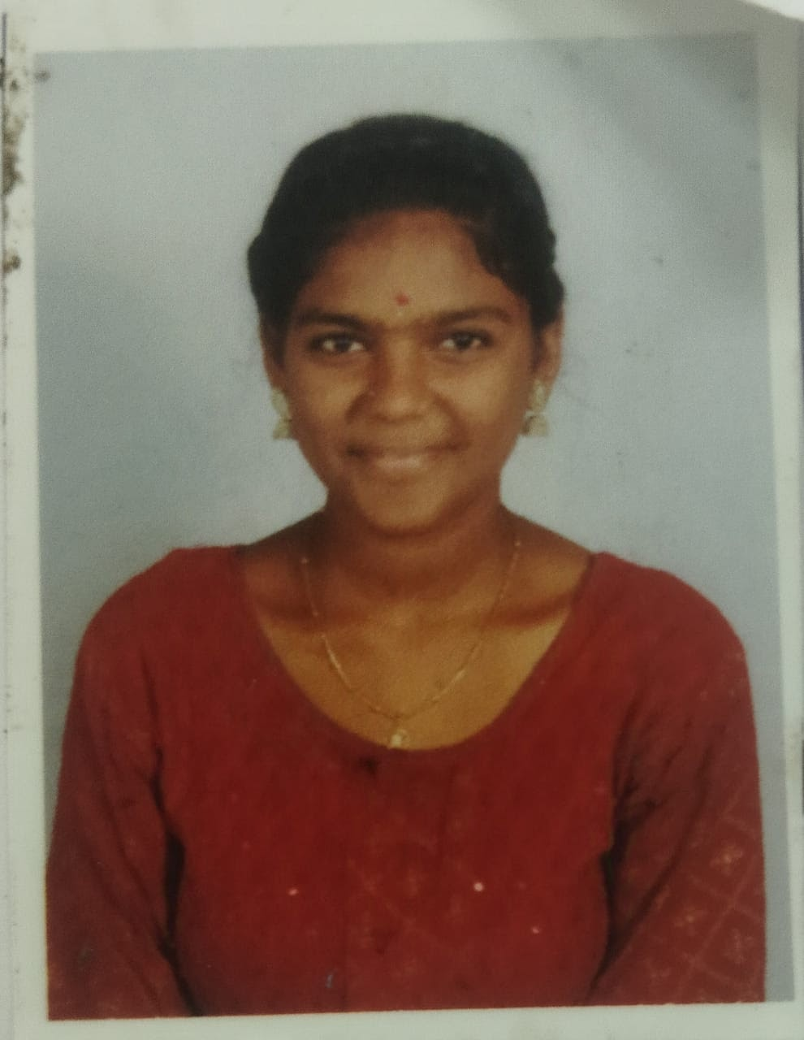 |  | 426639553312
2 | KARAM GANESH KARTHIK DORA | 2005-05-25 | 10175 | 2024-10-11 | MALE | ST | BULLI DORA | K BHADRAMMA | BSC Honours Statistics | 1.A MOLE ON THE RIGHT SIDE OF THE FORE HEAD 2. A MOLE ON THE RIGHT SIDE OF THE STOMACH | 1-60 TAHVADA DT; A.S.R. 533288 | 8309552634 | gk6763362@g.mail com... | 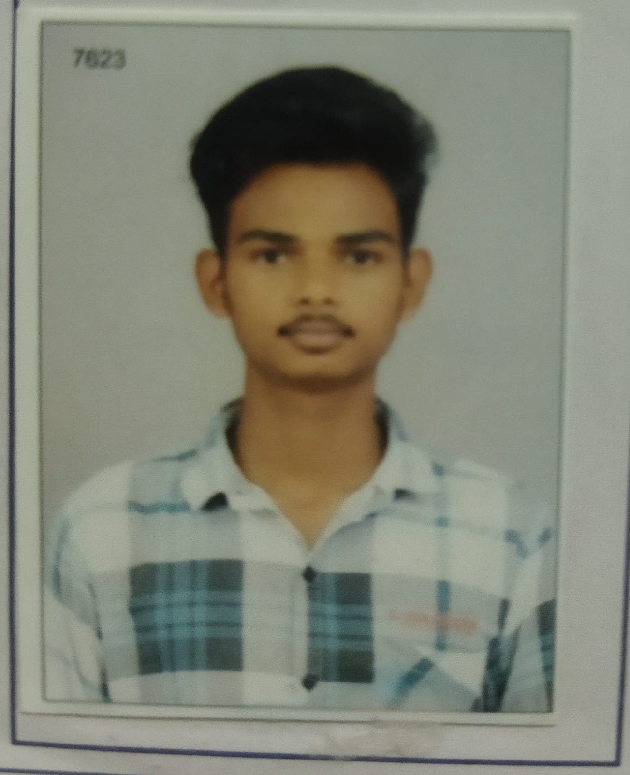 |  | 520346778242
3 | BOMMI KOTESH | 2005-11-21 | 10176 | 2024-09-23 | MALE | BC-A | BOMMI SATISH | B PUNYATHI | BSC Honours Statistics | 1) A DARK MOLE ON THE LEFT EAR 2) A DARK MOLE ON THE LEFT CHECK | 40-1-35, MANGALAVARAPUPETA , RAJAHMUNDRY, E.G, - 233101 | 9390810331 | koteshrishi54@gmail.com | 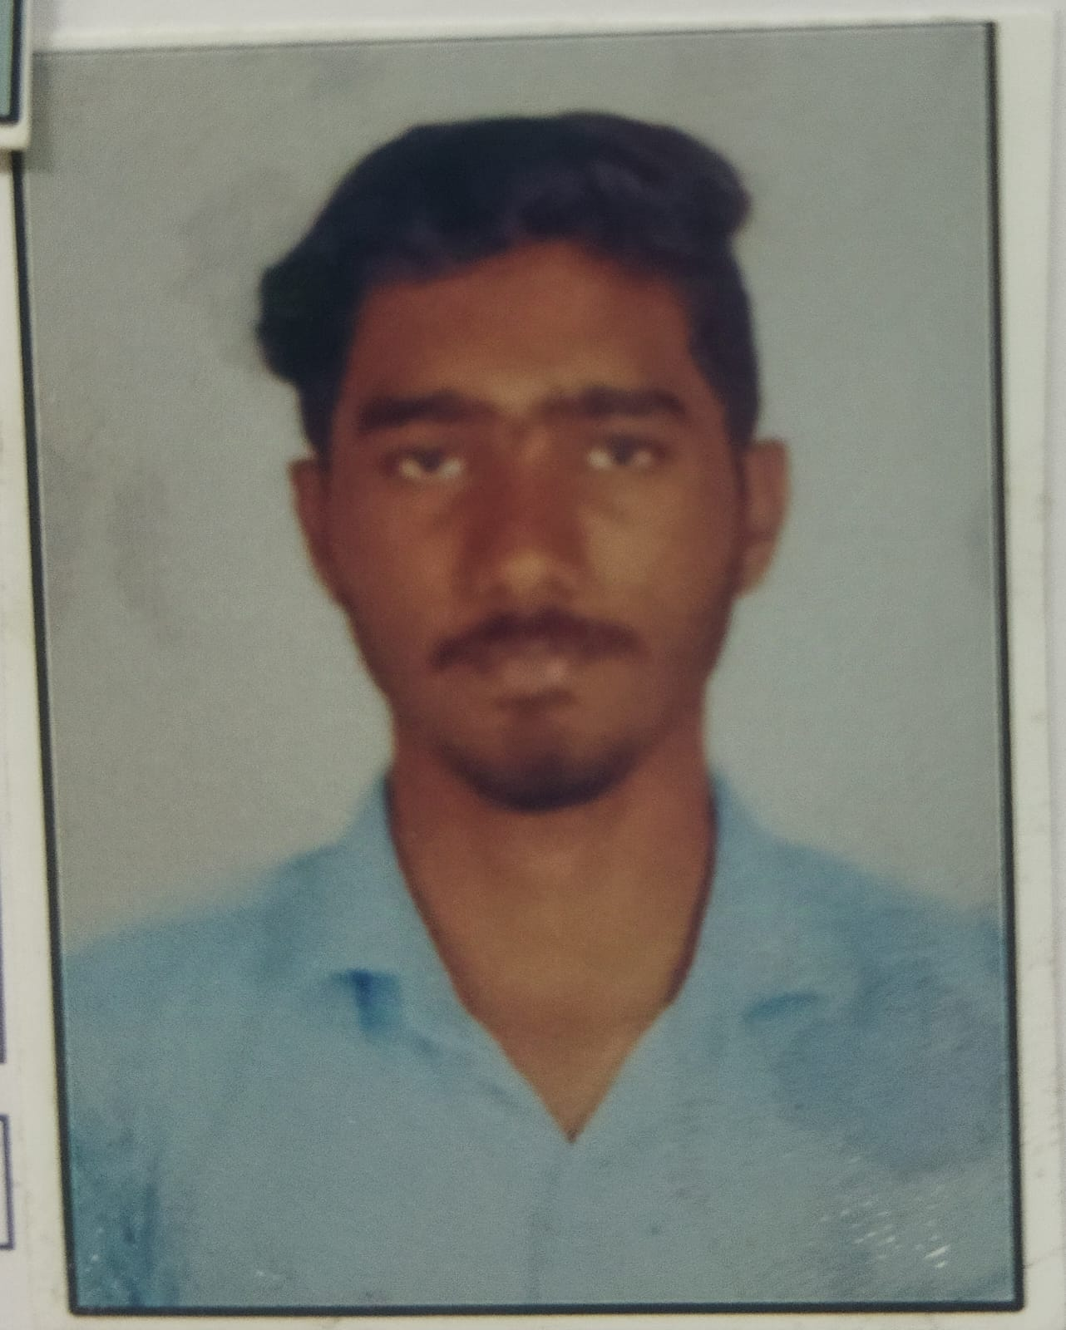 |  | 457733737185
4 | GEDDAM NAGA CHAITANYA | 2007-06-23 | 10177 | 2024-10-11 | MALE | SC | GEDDAM NARESH | G VENKATA LAKSHMI | BSC Honours Statistics | 1) A MOLE ON THE LEFT HAND FOREARM 2) A MOLE ON THE LEFT CHEEK | KATHERU RAJAHMUNDRY RURAL, RAJAHMUNDRY (URBAN), E.G DISTRICT, 533105 | 8074081664 | geddamnagachaitanya@gmail.com | 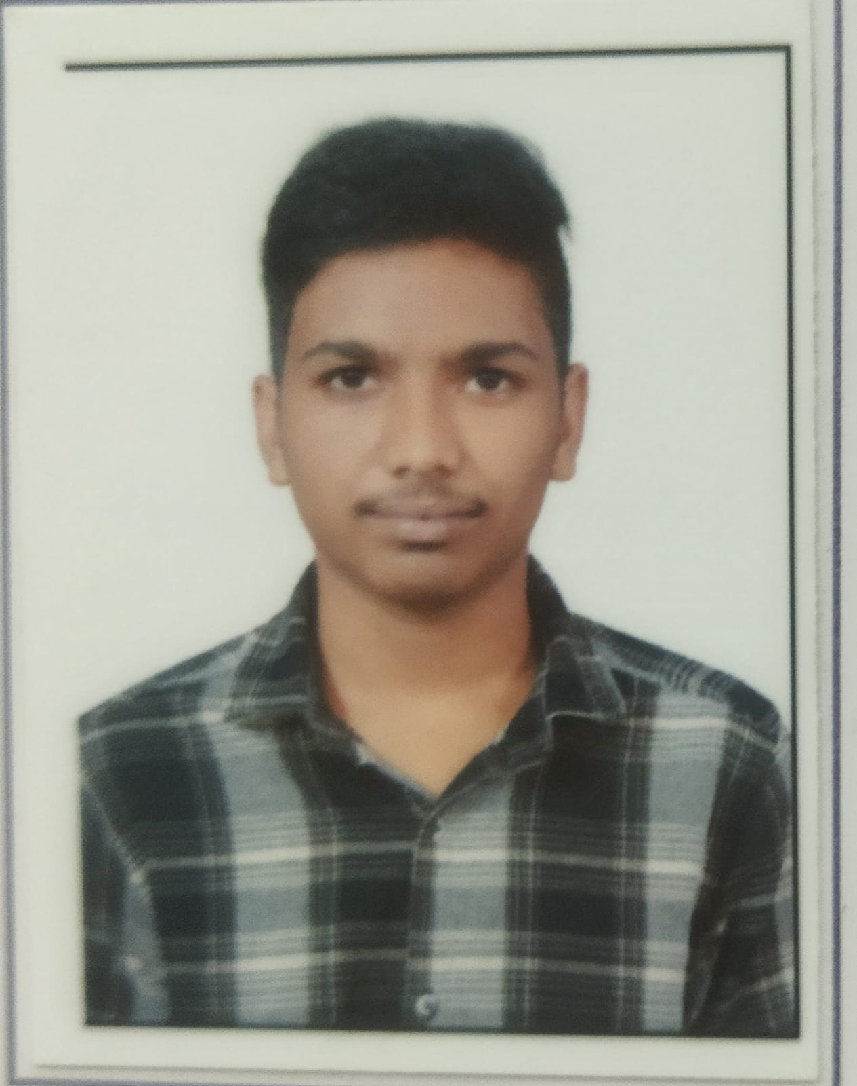 |  | 425468442647
5 | PANDAVULA BHEEMI REDDY | 2004-04-05 | 10178 | 2024-09-23 | MALE | ST | PANDAVULA DEVUDU | P DHARMAMMA | BSC Honours Statistics | 1) A MOLE ON THE STOMACH 2) A MOLE ON THE CHEST | 1/102 URLAKULA PADU VILLAGE,RAJAHMUNDRY MANDAL,ALLURI SITHARAMARAJU DISTRICT 533436 | 7396654071 | pr8338108@gmail.com | 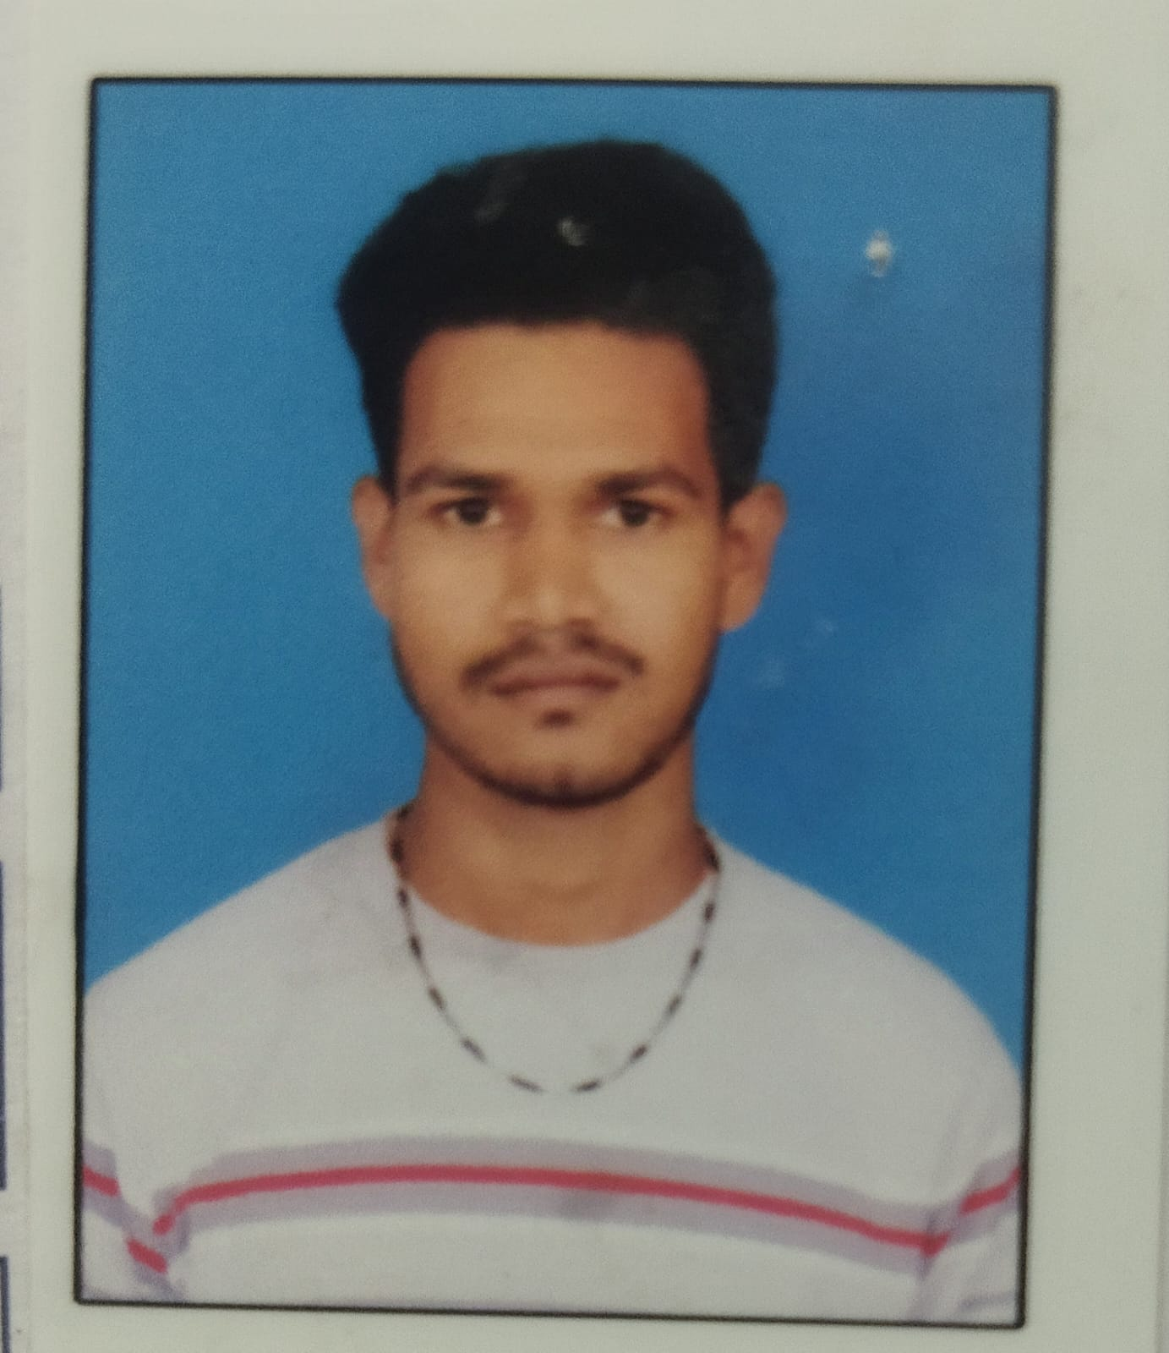 |  | 514896409324
6 | ETHAPALLI.SURESH REDDY | 2007-04-09 | 10179 | 2024-09-23 | MALE | ST | ETHAPALLI.ADI REDDY | E KANTHAMMA | BSC Honours Statistics | 1) LEFT FACE 2) LEFT LEG | 15-11,BHEEMAVARAM , MAREDUMILLI, ALLURISEETA RAMARAJU - 533295 | 6304676029 | sureshreddyethapallisureshreddy@gmail.com | 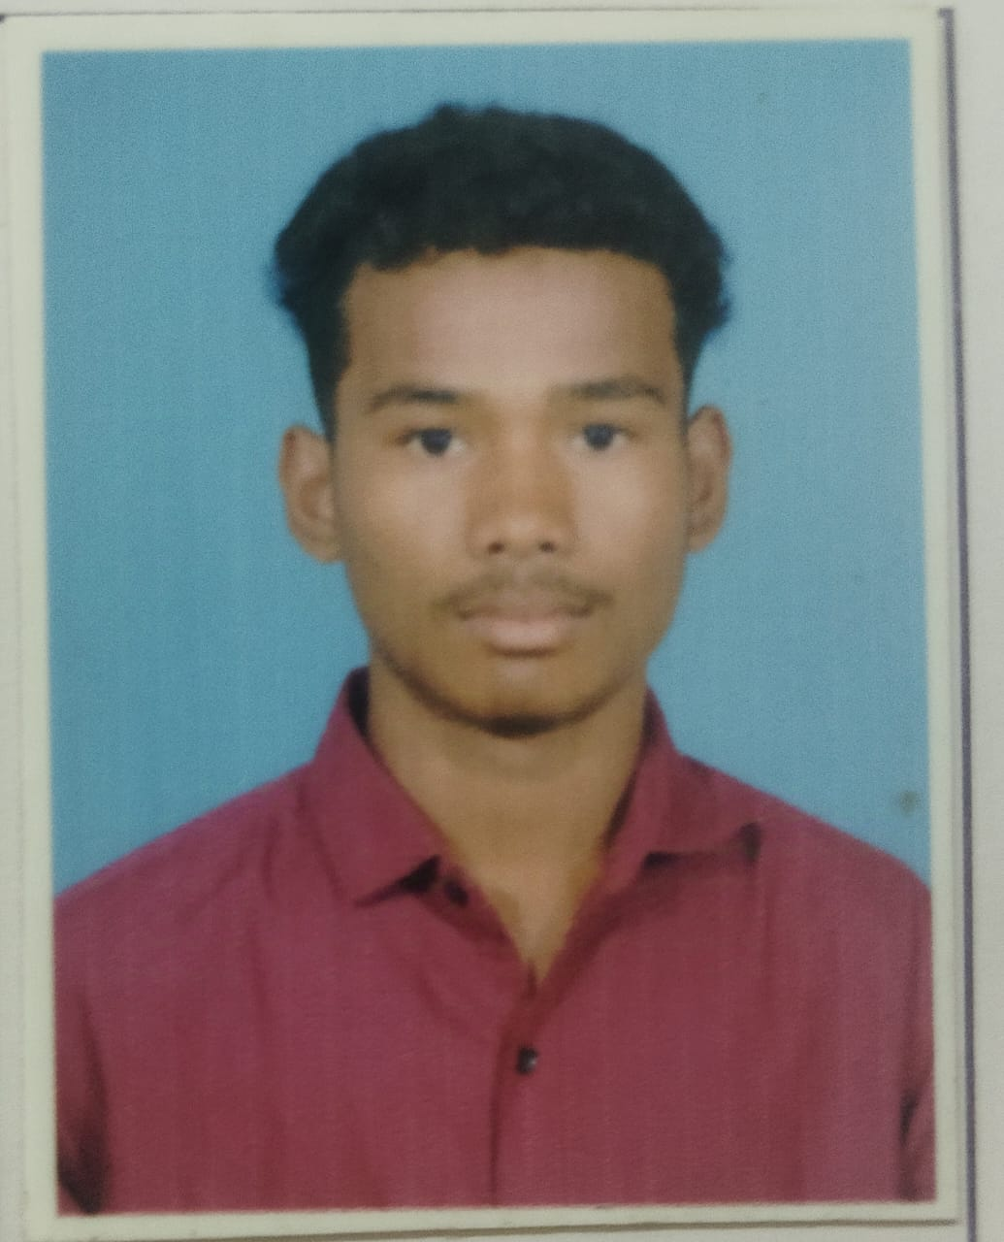 |  | 802307656876
7 | NOOKALA.GANESH AYYAPPA SARVA SURYANARAYANA MURTHY | 2005-06-01 | 10180 | 2024-10-11 | MALE | OC | N.V.S.S.S.RAMASASTRY | N PARVATHI | BSC Honours Statistics | 1) A MOLE ON THE LEFT COLLAR BONE 2) A MOLE ON THE BACK SIDE OF THE NECK | 4-222-27, SHEE LAKSHMI NALASIMHE NAGAR DOWLAISWARA , KAIDIUM (m) , E.G , - 533125 | 8520997466 | ganesh.crickest.43 | 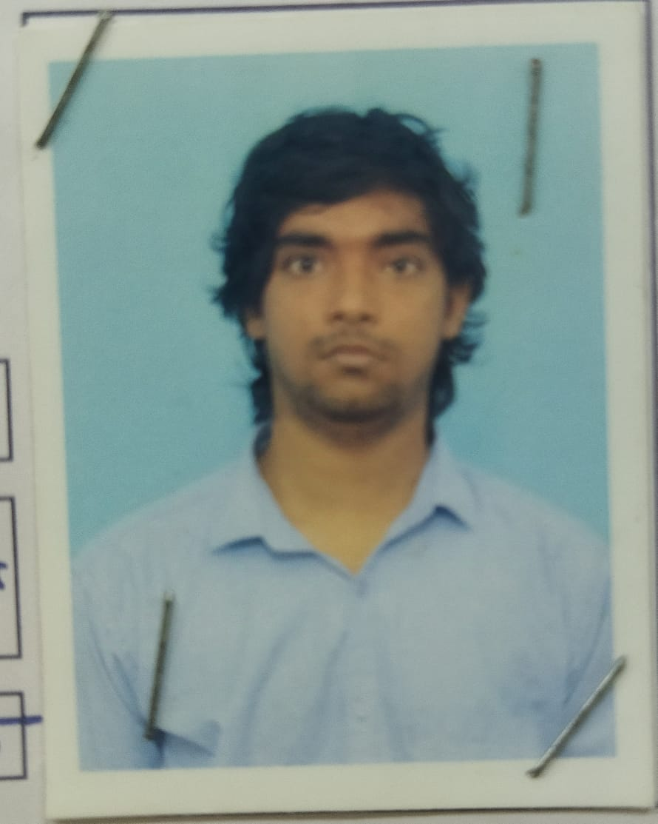 |  | 248809163912
8 | SEELAM.KISHORE | 2005-08-15 | 10181 | 2024-09-23 | MALE | BC_B | SEELAM.VENKATA NARAYANA | S PUSHPA | BSC Honours Statistics | 1) A LIGHT MOLE ON THE RIGHT ARM 2) A LIGHT MOLE ON THE FOR HEAD | 4-293/1, NEAR ANIANEYA TEMPLE BOMMURU , RAJAHMUNDRY RURAL, E.G, - 533101 | 6281546788 | kishorekichi49@gmail.com | 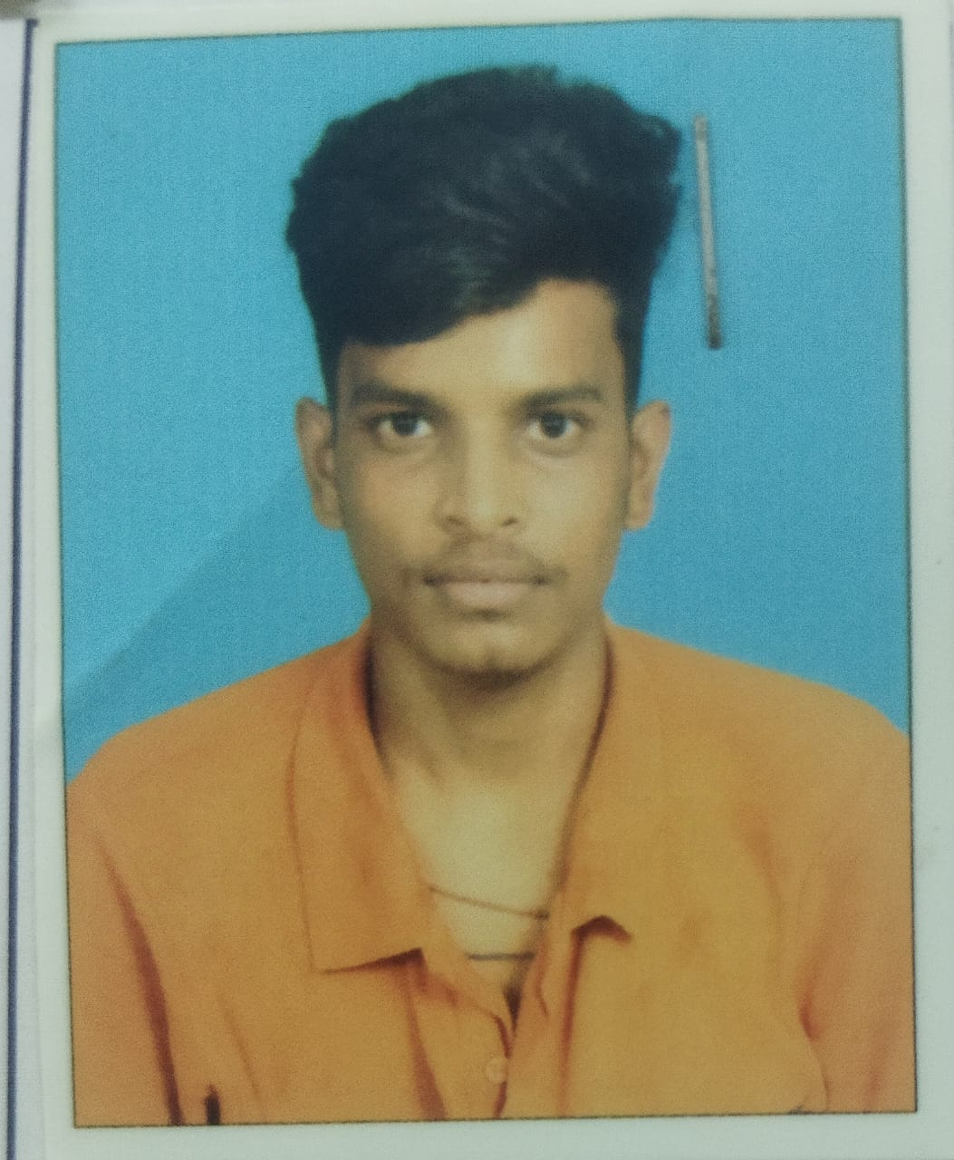 |  | 517642207119
9 | BODDU.JYOTHI | 2006-01-29 | 10182 | 2024-09-23 | FEMALE | ST | BODDU.PRASAD | B PARIMALA | BSC Honours Statistics | 1) A MOLE ON THE LEFT SIDE OF THE NECK 2) A MOLE ON THE LEFT ON THE NOSE | 2-270, VARALAKSHMICOLONY, HUKUMPETA, RAJAMUNDRY, EAST GODAVAFRI, - 533107 | 9347856133 | bodduprasad82@gmail.com | 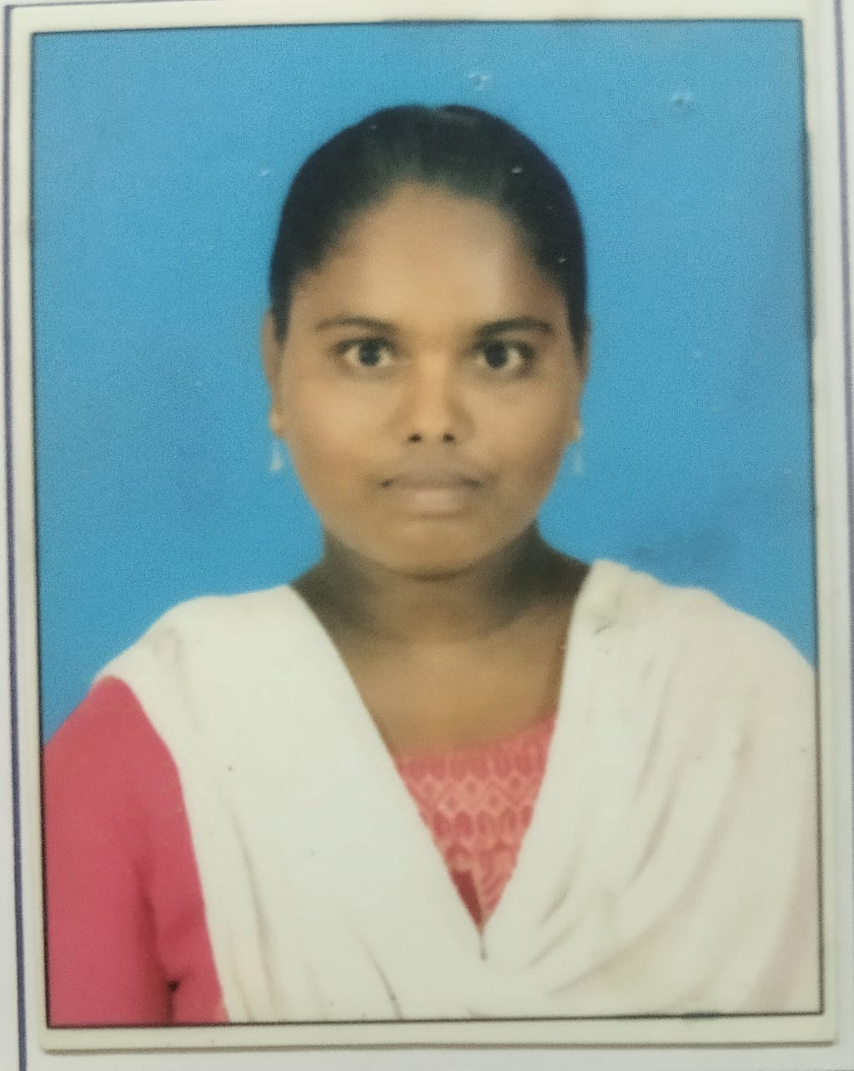 |  | 899241089963
10 | KANGALA ANUSHA VARDHINI | 2006-12-06 | 10183 | 2024-09-13 | FEMALE | ST | KANGALA.KRISHNAMURTHY DORA | K VARA LAKSHMI | BSC Honours Statistics | 1) A MOLE ON THE RIGHT WRIST 2) A MOLE ONT THE RIGHT SIDE OF THE NECK | 1-15, MARKET STREET GANGAVARAM , A.S.R. , - 533284 | 8328379815 | anushavardhini266@gmail.com | 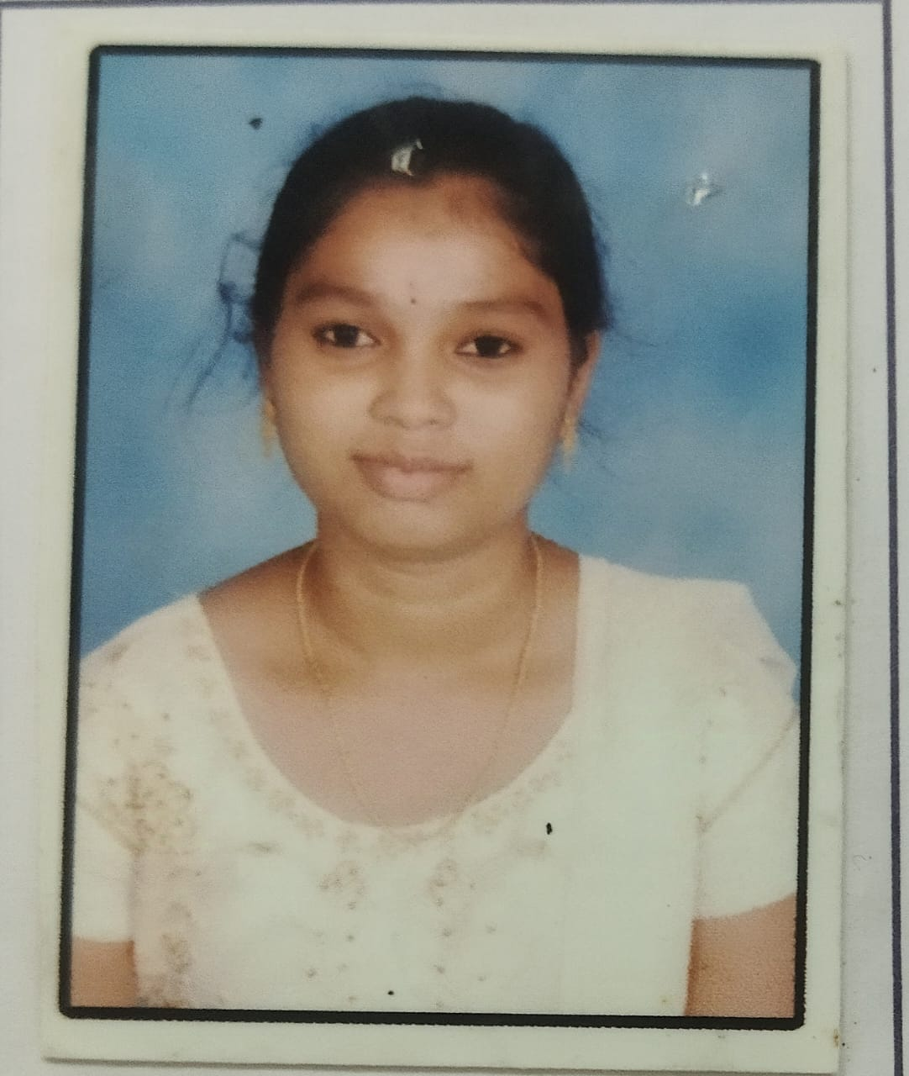 |  | 727654403675
11 | SHAIK.SAHIDA | 2026-09-14 | 10184 | 2024-08-12 | FEMALE | BC_B | SHAIK.JILANI | NAGOOR MEERA BIBI | BSC Honours Statistics | 1) A MOLE ON BELLOW THE LEFT EAR 2) A MOLE ON THE LEFT SIDE OF NECK | 44-8-9/2, ANNAPURNAMMA PETA, VENKATESARA SWAMI TEMPLE STREET, RAJAHMUNDRY, E.G, - 533101 | 8897387590 | skshaidha71@gmail.com | 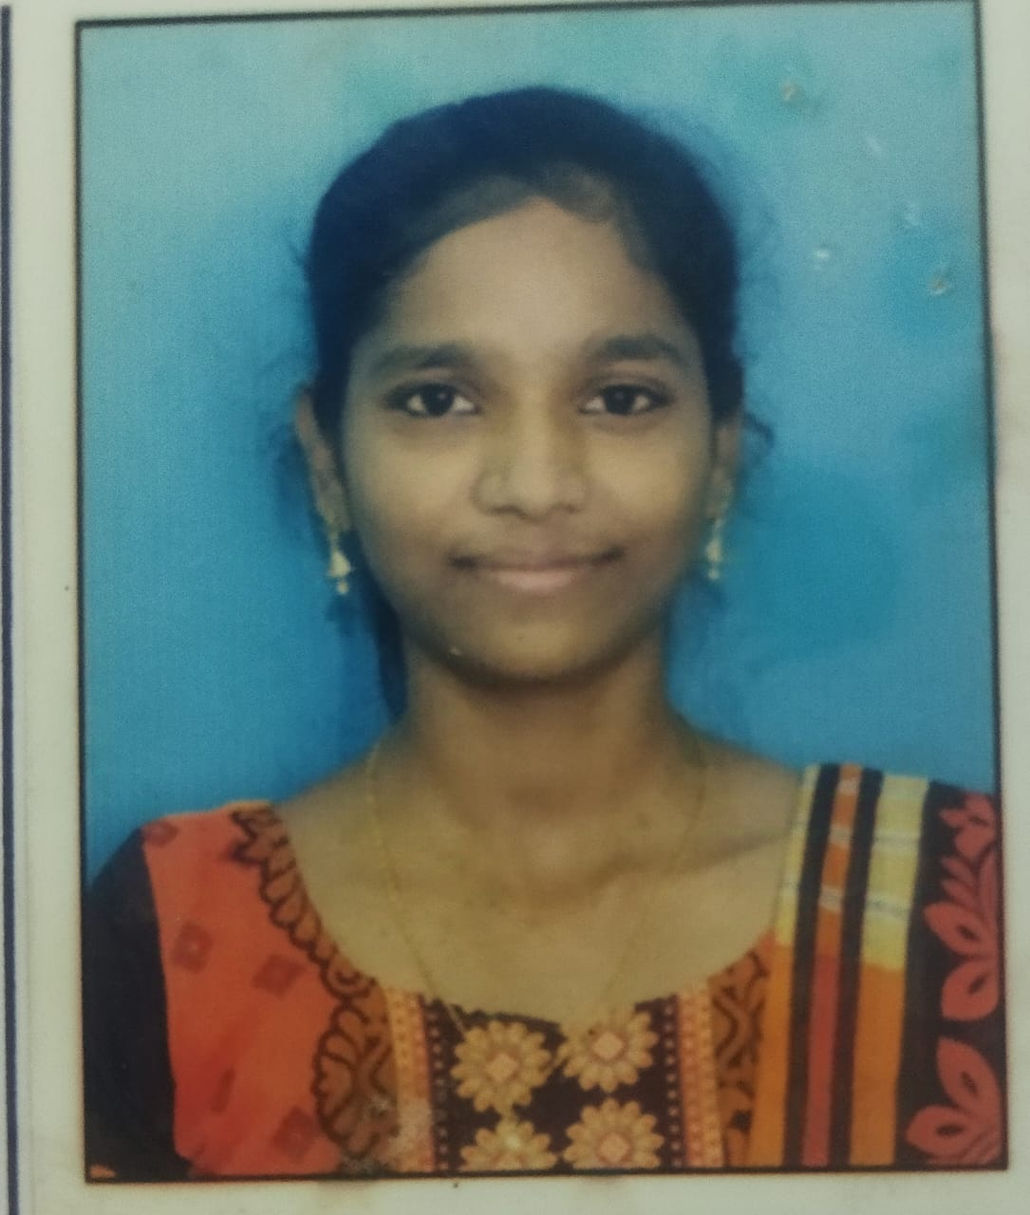 |  | 412723264503
12 | MUTYALA.MADHURA HASINI | 2006-12-11 | 10185 | 2024-08-12 | FEMALE | SC | MUTYALA.ANAND | M UMA MAHESWARI | BSC Honours Statistics | 1) A MOLE ON THE RIGHT SIDE OF THE NOSE 2) A MOLE ON THE RIGHT HAND | 45-7-12/1, RELLIPETA, THADITOTA, RAJAHMUNDRY, E.G , - 533101 | 9014403549 | muthyalaumamaheswari78@gmail.com | 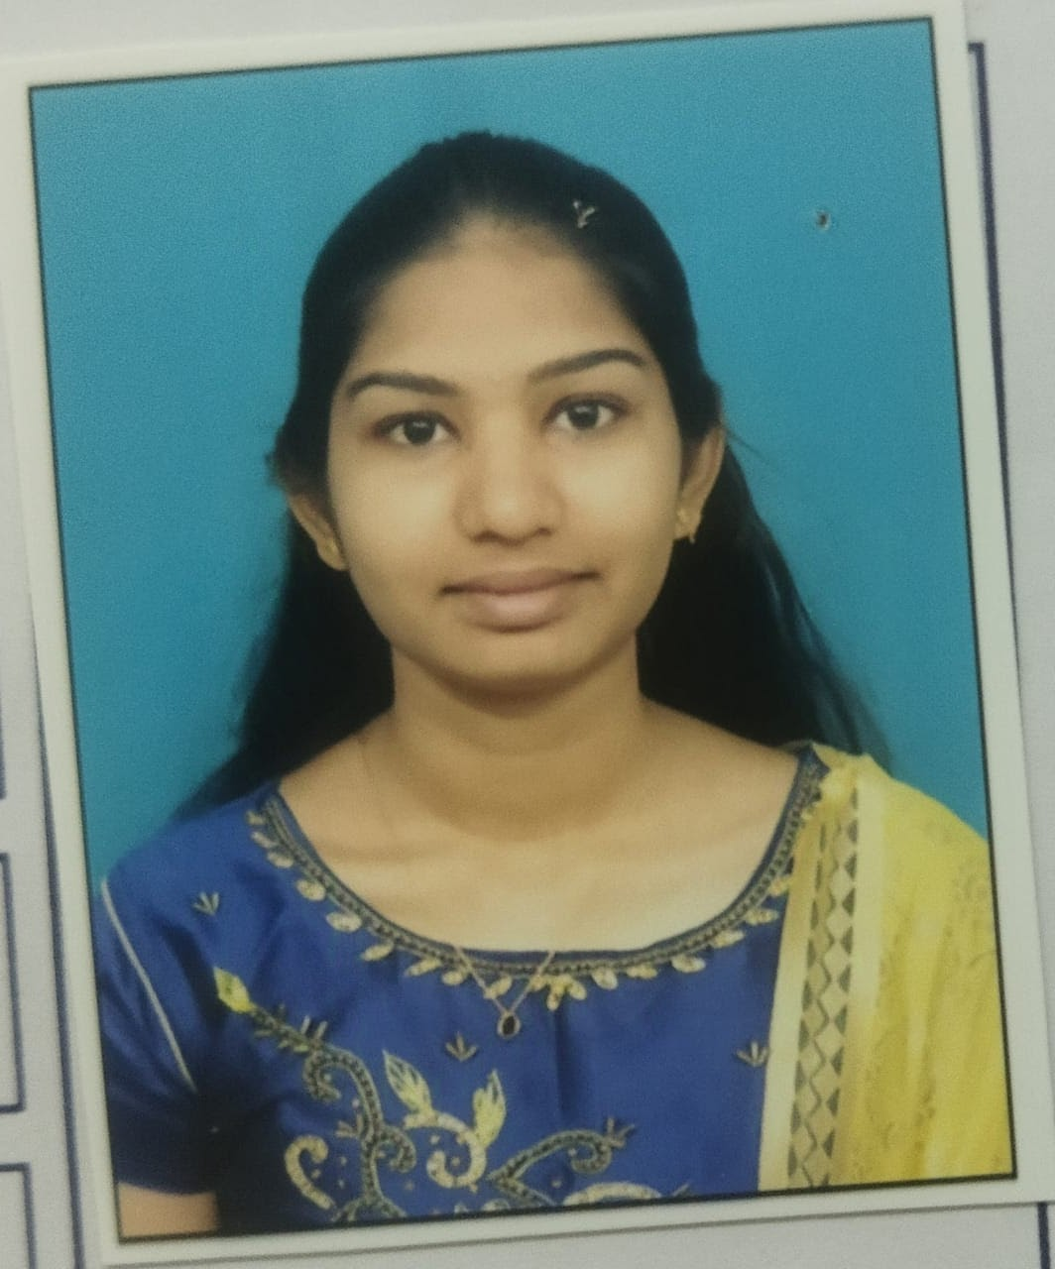 |  | 528721517814
13 | MUTHYLA.HEMA LATHA | 2006-01-15 | 10186 | 2024-08-12 | FEMALE | BC_B | MUTHYALA.KUNCHIRAJA | M SUSEELA | BSC Honours Statistics | 1) A MOLE ONTHE RIGHT LOWEN ARM 2) A MOLE ON THE RIGHT UPPEN ARM | 73-24-9/23, NARAYANAPURAM, RAJAHMENDRY, RAJAMEHENDRAVARAM, E.G , - 533101 | 8790844118 | muthyalasuseela00@gmail.com | 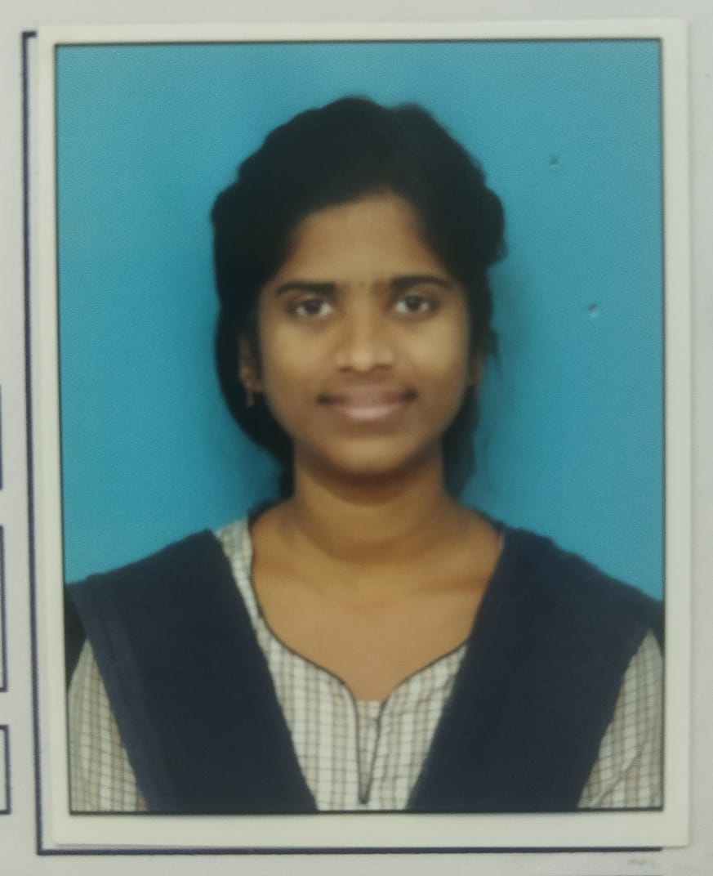 |  | 804920609120
14 | POLOTHI LEELA KRISHNA YADAV | 2004-12-22 | 10187 | 2024-08-12 | MALE | BC_B | POLOTHI.CHITTI BABU | P SAILAJA | BSC Honours Statistics | 1) A BLACK MOLE ON THE RIGHT SIDE OF THE CHEST 2) A BLACK MOLE ON THE RIGHT SIDE OF THE EAR | 61-20-7, PANDT COLONY , RAJAMUNDRY, E.G, - 533103 | 6303251535 | lkyp8839@gmail.com | 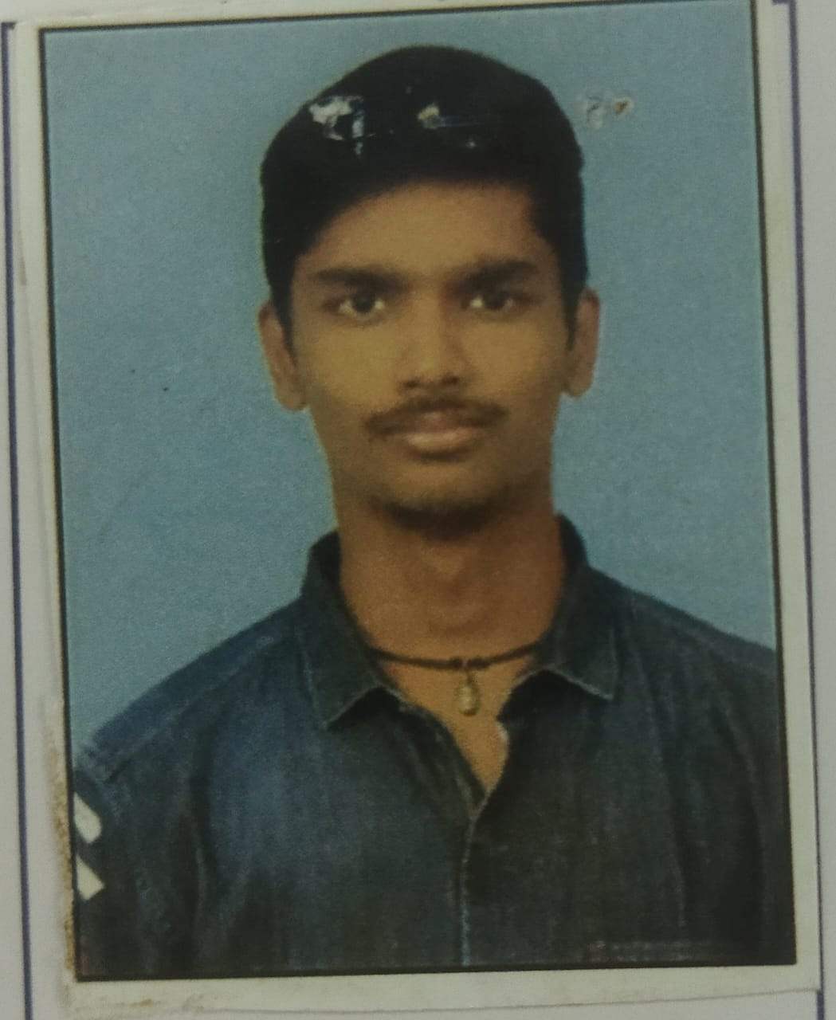 |  | 321421665971
15 | MATHI JOSEPH ARAVIND KUMAR | 2005-07-12 | 10359 | 2024-10-11 | MALE | BC-C | M SAMEER KUMAR | M KUMARI | BSC Honours Statistics | 1) AMOLE ON RIGHT LOWER ARM 2) A MOLE ON LEFT SIDE OF LOWER LIP | 2-11-474, CHIRSTIAN ST, TADEPALLI GUDEM, WG DIST-534101 | 9515126648 | mathikumari95151@gmail.com | 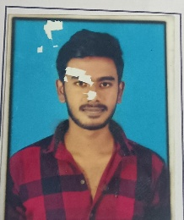
16 | GUDUPU PAVAN ARJUN KUMAR | 2007-04-01 | 10360 | 2024-10-23 | MALE | OC | G DORA BABU | G VIJAYA LAKSHMI | BSC Honours Statistics | 1) A LIGHT MOLE ON THE LOWER LIP 2) A DARK MOLE ON THE RIGHT SIDE OF THE NECK | ADDATEEGLAA, EGDT-533428 | 8328357876 | gpavanarjunkumar143@gmail.com | 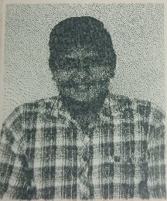 |  | 528915595064
17 | PANTHAM KESAVA RAM CHARAN TEJA | 2006-05-02 | 10361 | 2024-10-23 | MALE | OC | P VEERA BABU | P SUJATHA | BSC Honours Statistics | 1) A MOLE ON THE RIGHT UPPER ARM 2) A MOLE ON THE LEFT SIDE OF NECK | 4-49, DEVALANKA VARI ST, RAMPA YERRAMPALEM, GOKAVARAM, EGDT-533286 | 9949348186 | ramcharan535@gmail.com |  |  | 570898975429

